Sheet1
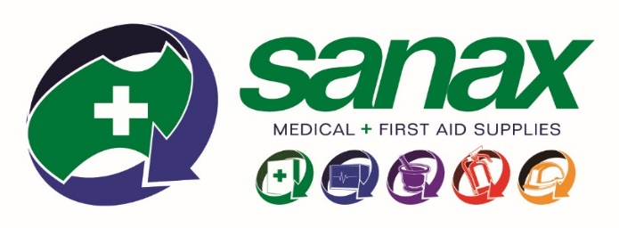
Sanax Medical & First Aid Supplies
15 Exhibition Dr
Malaga WA 6090
Phone: 08 6240 5500
Email: sales@sanaxmedical.com.au

Sexual Assault Resource Centre Early Evidence Kit Order Form
Resources Sector
Business Name:
Site Name:
Contact Person:
Order Reference:
Phone Number:
Email Address:

Please note all orders are to be picked up in person from the Malaga address above and ID shown
Payment required on pickup or prior

 | ORDER

Code | Description | Cost | Qty
 |  | (excl GST)
XS-SARCSTARTERPACKR | Sexual Assault Examination Starter Pack includes; 4x XS-SARCEEK25, 2x XS-SARCTOX and 6x XS-SARCFRPR | $200.00
XS-SARCEEK25 | Early Evidence Sexual Assault Examination Kit | $31.30
XS-SARCTOX | Sexual Assault Examination Toxicology Kit | $20.90
XS-SARCFRPR | Sexual Assault First Response Pack - Resources Sector | $8.10
 |  | TOTAL ex | $-
 |  | TOTAL incl | $-
All kits are made to forensic standard ISO 18385

